Screenflow
Login Page |  |  |  |  |  |  |  |  |  |  |  |  |  |  |  | Signup Page |  |  |  |  |  |  |  |  |  |  |  | Update Profile
L |  |  |  |  |  |  |  |  |  |  |  |  |  |  |  | S |  |  |  |  |  |  |  |  |  |  |  | S

 |  |  |  |  |  | Welcome

 |  |  | UserName |  |  |  |  |  |  |  |  |  |  |  |  |  |  |  | UserName |  |  |  |  |  |  |  |  |  |  | UserName

 |  |  | Password |  |  |  |  |  |  |  |  |  |  |  |  |  |  |  | Password |  |  |  |  |  |  |  |  |  |  | Password

 |  |  |  |  |  |  |  |  |  |  |  |  |  |  |  |  |  |  | confirm |  |  |  |  |  |  |  |  |  |  | confirm
 |  |  |  |  |  |  |  |  |  | Signup

 |  |  |  |  |  |  | Login |  |  |  |  |  |  |  |  |  |  |  |  |  |  |  | Signup |  |  |  |  |  |  |  | save

Admin Landing Page
A

 |  |  |  |  |  |  |  |  |  |  |  |  |  |  | Logout

 | Import Data |  |  | Manage Company |  |  |  | Manage Exchange |  |  |  | Update IPO Details

Admin - Upload Excel to import Data
A1 |  |  |  |  |  |  |  |  |  |  |  |  |  |  |  | A2

 |  |  |  |  |  |  |  |  |  |  |  |  |  |  | Logout |  |  |  |  |  |  |  |  |  |  |  | Logout

 | Import Data |  |  | Manage Company |  |  |  | Manage Exchange |  |  |  | Update IPO Details |  |  |  |  | Import Data |  |  | Manage Company |  |  |  | Manage Exchange |  | Update IPO Details

 |  |  |  | Import Excel |  |  |  |  |  |  |  |  |  |  |  |  |  |  |  | Summary of Upload

 | select Excel file to be uploaded |  |  |  |  |  |  |  |  |  |  |  |  |  |  |  | Company Name： |  |  |  | Abc LTD

 |  |  |  |  |  | Upload |  |  |  |  |  |  |  |  |  |  | Stock Exchange: |  |  |  | BSE

 | Click Here to download sample Excel file |  |  |  |  |  |  |  |  |  |  |  |  |  |  |  | No. of Records: |  |  |  | 80

 |  |  |  |  |  |  |  |  |  |  |  |  |  |  |  |  | From Date： |  |  | 2020-03-14 |  |  |  | To Date： | 2020-04-14

 |  |  |  |  |  |  |  |  |  |  |  |  |  |  |  |  |  |  |  |  |  | OK

Manage Companies
A3

 |  |  |  |  |  |  |  |  |  |  |  |  |  |  | Logout

 | Import Data |  |  | Manage Company |  |  |  | Manage Exchange |  |  |  | Update IPO Details

 |  |  |  | List of Companies

 | Stock Code |  |  | Company1 |  |  | BSE,NSE |  |  | <brief description> |  |  |  | edit

 | Stock Code |  |  | Company2 |  |  | BSE,NSE |  |  | <brief description> |  |  |  | edit

 |  |  |  | << other companies >>

 |  |  |  |  |  |  |  |  |  |  |  |  | Add Company

A4 |  |  |  |  |  |  |  |  |  |  |  |  |  |  |  | A5

 |  |  |  |  |  |  |  |  |  |  |  |  |  |  | Logout |  |  |  |  |  |  |  |  |  |  |  | Logout

 | Import Data |  |  | Manage Company |  |  |  | Manage Exchange |  |  |  | Update IPO Details |  |  |  |  | Import Data |  |  | Manage Company |  |  |  | Manage Exchange |  | Update IPO Details

 |  |  |  | Create New Company |  |  |  |  |  |  |  |  |  |  |  |  |  |  |  | Edit Company

 |  | Company Name： |  |  |  |  |  |  |  |  |  |  |  |  |  |  |  | Company Name：

 |  | CEO Name： |  |  |  |  |  |  |  |  |  |  |  |  |  |  |  | CEO Name：

 |  | Stock Code： |  |  |  |  |  |  |  |  |  |  |  |  |  |  |  | Stock Code：

 |  | Turn Over： |  |  |  |  |  |  |  |  |  |  |  |  |  |  |  | Turn Over：

 |  | Board Members： |  |  |  |  |  |  |  |  |  |  |  |  |  |  |  | Board Members：

 |  | IPO Date： |  |  |  |  |  |  |  |  |  |  |  |  |  |  |  | IPO Date：

 |  | Industy： |  |  |  |  |  |  |  |  |  |  |  |  |  |  |  | Industy：

 |  | Sector： |  |  |  |  |  |  |  |  |  |  |  |  |  |  |  | Sector：

 |  | Brief Description： |  |  |  |  |  |  |  |  |  |  |  |  |  |  |  | Brief Description：

 |  |  |  |  |  | Save |  |  |  |  |  |  |  |  |  |  |  |  |  |  |  | Save

User Landing Page
U

 |  |  |  |  |  |  |  |  |  |  |  |  |  |  | Logout

 | IPOs |  |  | Compare Company |  |  |  | Compare Sectors |  |  |  | Other

U1 |  |  |  |  |  |  |  |  |  |  |  |  |  |  |  | U2

 |  |  |  |  |  |  |  |  |  |  |  |  |  |  | Logout |  |  |  |  |  |  |  |  |  |  |  | Logout

 | IPOs |  |  | Compare Company |  |  |  | Compare Sectors |  |  |  | Other |  |  |  |  | IPOs |  |  | Compare Company |  |  |  | Compare Sectors |  | Other

 |  |  |  | List of Companies |  |  |  |  |  |  |  |  |  |  |  |  |  |  |  | View IPO

 |  |  |  |  |  |  |  |  |  |  |  |  |  |  |  |  |  | Company Name： |  |  |  | Abc LTD
 |  | Company1 |  |  | BSE,NSE |  | <brief description> |  |  |  | 4/15/2020 |  |  | view
 |  |  |  |  |  |  |  |  |  |  |  |  |  |  |  |  |  | CEO Name： |  |  |  | Michael

 |  |  |  |  |  |  |  |  |  |  |  |  |  |  |  |  |  | Company Code： |  |  |  | ABC
 |  | Company2 |  |  | BSE,NSE |  | <brief description> |  |  |  | 4/15/2020 |  |  | view
 |  |  |  |  |  |  |  |  |  |  |  |  |  |  |  |  |  | Turn Over： |  |  |  | 50000

 |  |  |  | << other companies >> |  |  |  |  |  |  |  |  |  |  |  |  |  | IPO Date： |  |  |  | 2020-03-14

 |  |  |  |  |  |  |  |  |  |  |  |  |  |  |  |  |  | Brief Description： |  |  |  | it's a good company

 |  |  |  |  |  |  |  |  |  |  |  |  |  |  |  |  |  |  |  |  |  | OK

Comparison Charts |  |  |  |  |  |  |  |  |  |  |  |  |  |  |  | Company Stock Price(Bar Chart) for Reference only
U3 |  |  |  |  |  |  |  |  |  |  |  |  |  |  |  | U4

 |  |  |  |  |  |  |  |  |  |  |  |  |  |  | Logout |  |  |  |  |  |  |  |  |  |  |  | Logout

Abc
 | IPOs |  |  | Compare Company |  |  |  | Compare Sectors |  |  |  | Other |  |  |  |  | IPOs |  |  | Compare Company |  |  |  | Compare Sectors |  | Other |  | date | Rs
 |  |  |  |  |  |  |  |  |  |  |  |  |  |  |  |  |  |  |  |  |  |  |  |  |  |  |  | Apr-20 | 100
 |  |  |  |  |  |  |  |  |  |  |  |  |  |  |  |  |  |  |  |  |  |  |  |  |  |  |  | May-20 | 111
 |  |  |  |  |  |  |  |  |  |  |  |  |  |  |  |  |  |  |  |  |  |  |  |  |  |  |  | Jun-20 | 135
 |  | Company1 Name： |  |  |  | Abc1 |  |  |  |  |  |  |  |  |  |  |  |  |  |  |  |  |  |  |  |  |  | Jul-20 | 123

 |  | Company2 Name： |  |  |  | Abc2

 |  | Select Stock Exchange: |  |  |  | BSE |  |  |  |  | ↘

 |  | From Date： |  |  | 2020-03-14 |  |  |  | To Date： |  |  | 2020-04-14

 |  |  |  |  |  | Generate Map

Git
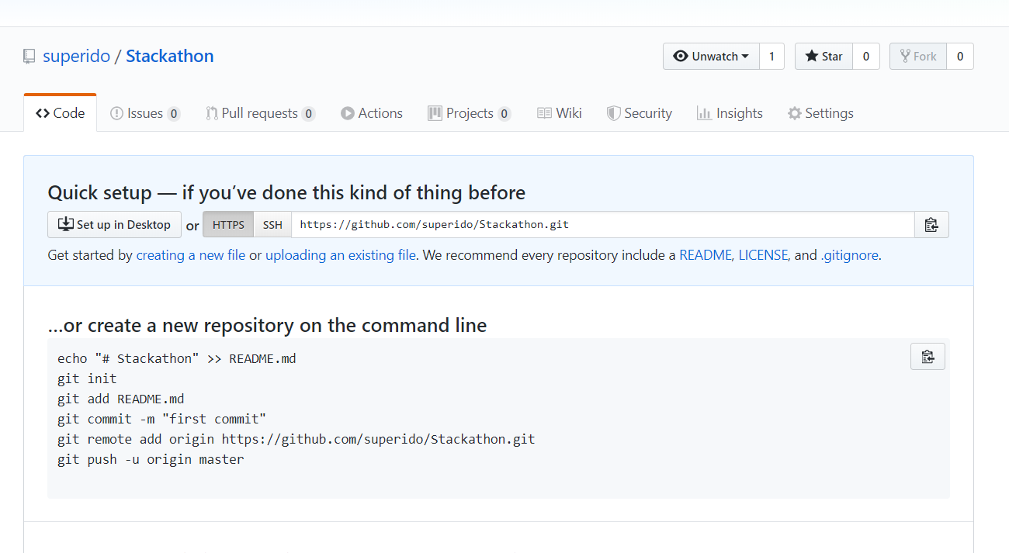
https://github.com/superido/Stackathon.git

back end
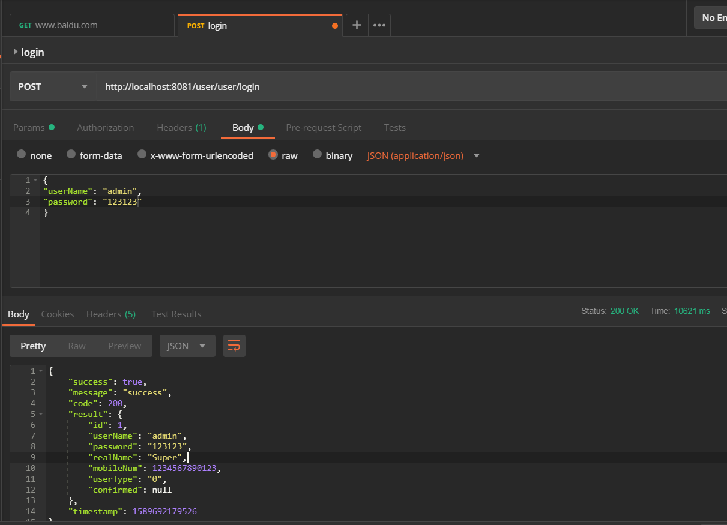

Git structure
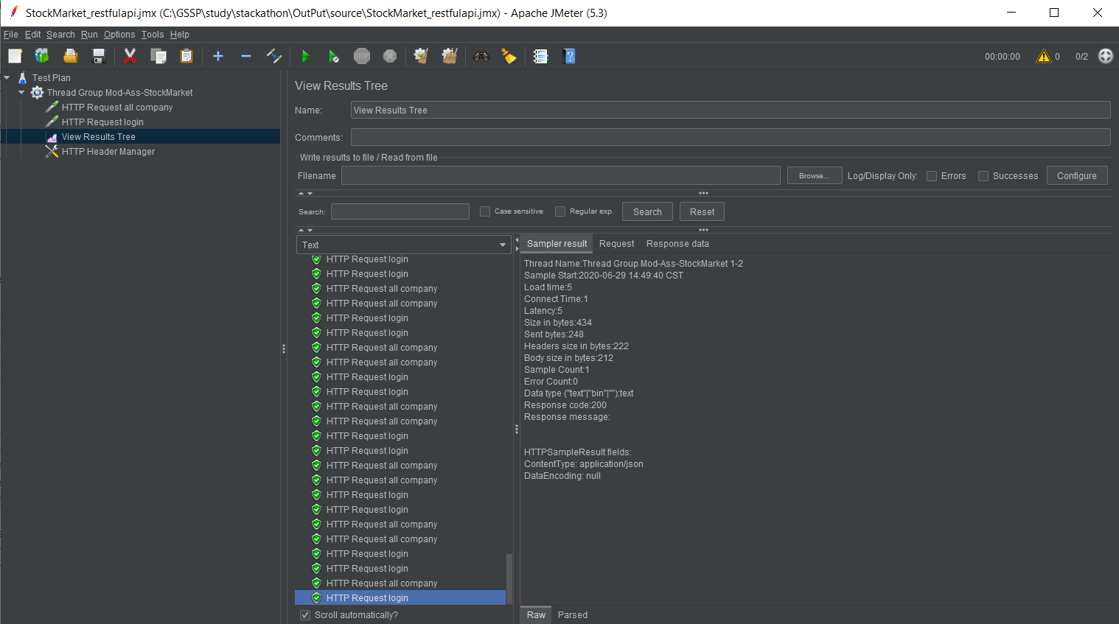
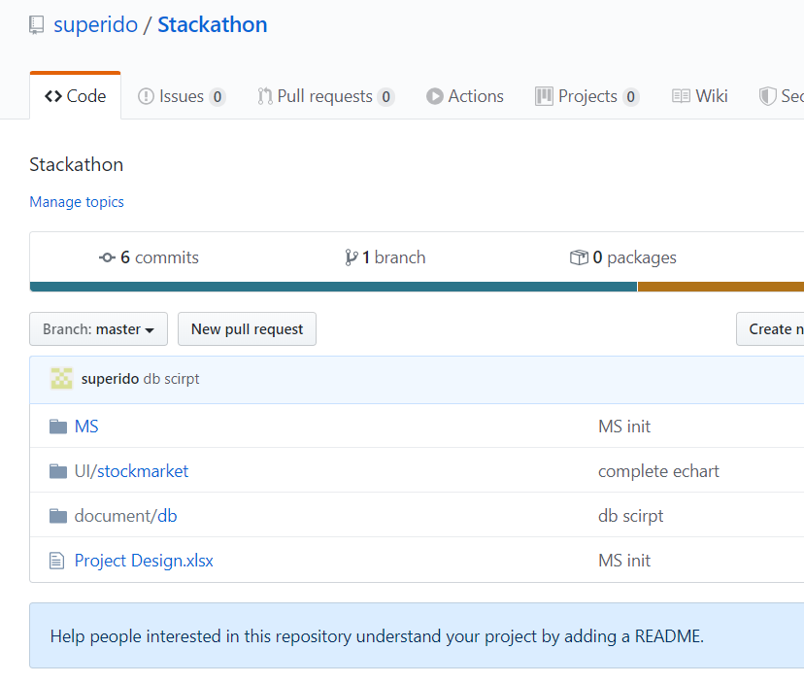

back end
microservice

front end
angular pages

db establish script

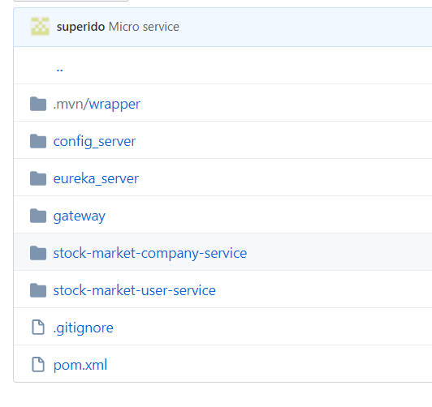

Spring Cloud Config

Eureka

Zuul(API Gateway)
customer company, stock service

customer user service

Milestone5
CI/CD, Jenkinsfile, JMeter’s jmx file, Dockerfile

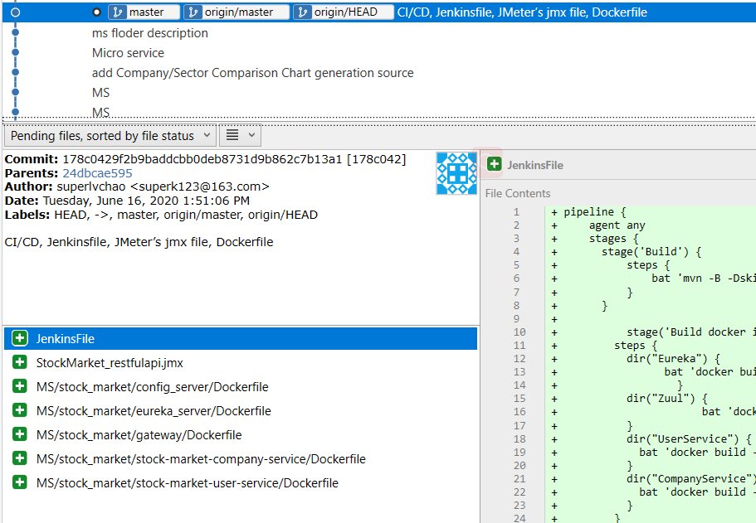

Jenkins file

Jmeter file

docker file

Software Structure
